Created by JesperGreth (A4)
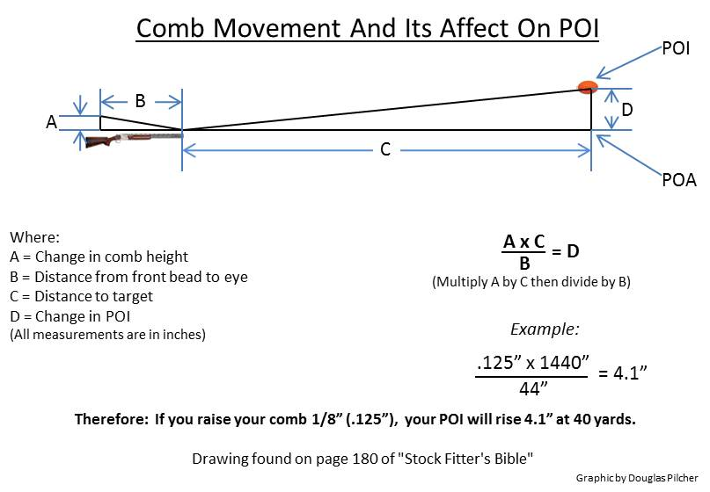
Automatic Comb/POI Calculator
Created by Jesper Greth
Change in comb position |  |  |  | Change in comb position
Change in comb position | A | 1.0 | mm | Change in comb position | A | 0.125 | in.
Distance from eye's pupil to front bead | B | 100.0 | cm | Distance from eye's pupil to front bead | B | 44.0 | in.
Distance to target | C | 30.0 | m | Distance to target | C | 40.0 | yds.
Change in POI | D | 3.0 | cm | Change in POI | D | 4.1 | in.
Change in POI |  |  |  | Change in POI
Change in POI | D | 3.0 | cm | Change in POI | D | 4.1 | in.
Distance from eye's pupil to front bead | B | 100.0 | cm | Distance from eye's pupil to front bead | B | 44.0 | in.
Distance to target | C | 30.0 | m | Distance to target | C | 40.0 | yds.
Change in comb position | A | 1.0 | mm | Change in comb position | A | 0.125 | in.

